BenPD Chart
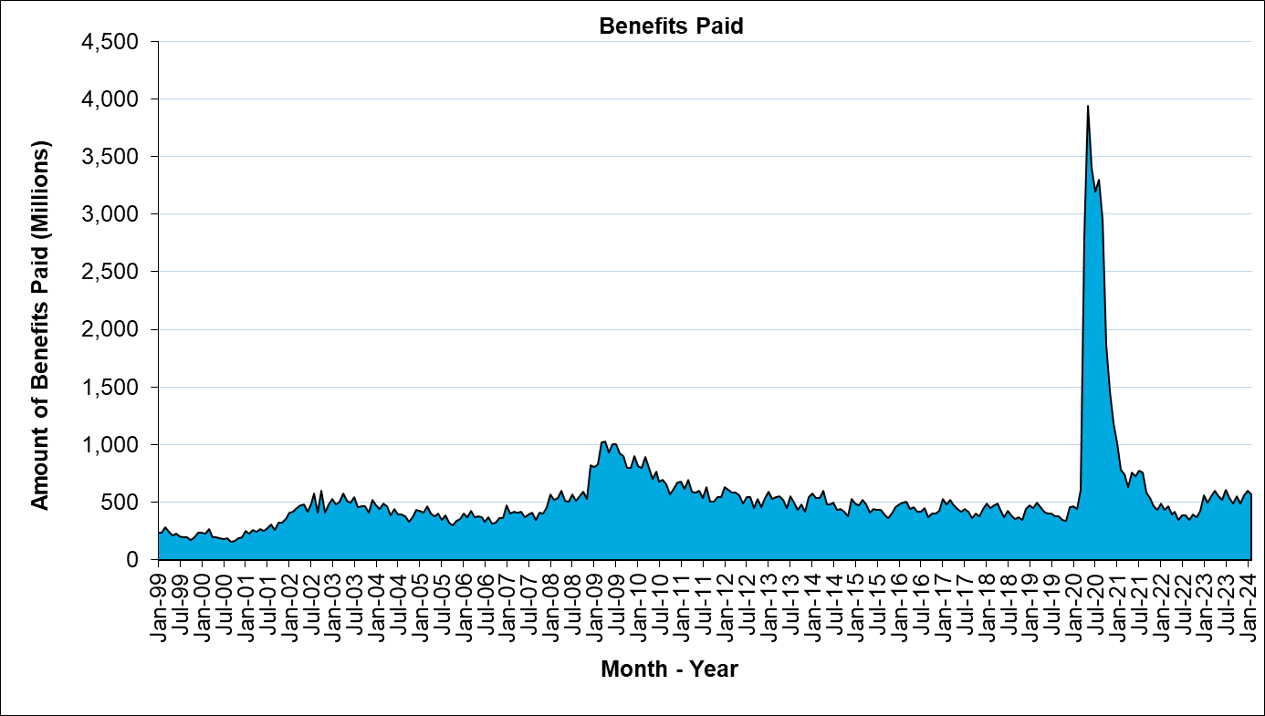
Unemployment Insurance - Quick Statistics

